1) Tabber
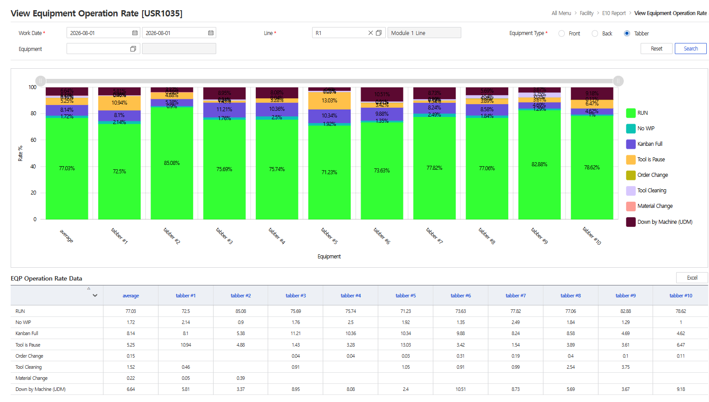
0 | average | tabber #1 | tabber #2 | tabber #3 | tabber #4 | tabber #5 | tabber #6 | tabber #7 | tabber #8 | tabber #9 | tabber #10
RUN | 77.03 | 72.50 | 85.08 | 75.69 | 75.74 | 71.23 | 73.63 | 77.82 | 77.06 | 82.88 | 78.62
No WIP | 1.72 | 2.14 | 0.90 | 1.76 | 2.50 | 1.92 | 1.35 | 2.49 | 1.84 | 1.29 | 1.00
Kanban Full | 8.14 | 8.10 | 5.38 | 11.21 | 10.36 | 10.34 | 9.88 | 8.24 | 8.58 | 4.69 | 4.62
Tool is Pause | 5.25 | 10.94 | 4.88 | 1.43 | 3.28 | 13.03 | 3.42 | 1.54 | 3.89 | 3.61 | 6.47
Order Change | 0.15 | 0.00 | 0.00 | 0.04 | 0.04 | 0.03 | 0.31 | 0.19 | 0.40 | 0.10 | 0.11
Tool Cleaning | 1.52 | 0.46 | 0.00 | 0.91 | 0.00 | 1.05 | 0.91 | 0.99 | 2.54 | 3.75 | 0.00
Material Change | 0.22 | 0.05 | 0.39 | 0.00 | 0.00 | 0.00 | 0.00 | 0.00 | 0.00 | 0.00 | 0.00
Down by Machine (UDM) | 6.64 | 5.81 | 3.37 | 8.95 | 8.08 | 2.40 | 10.51 | 8.73 | 5.69 | 3.67 | 9.18
 |  | 100 | 100 | 100 | 100 | 100 | 100 | 100 | 100 | 100 | 100

2) Front End
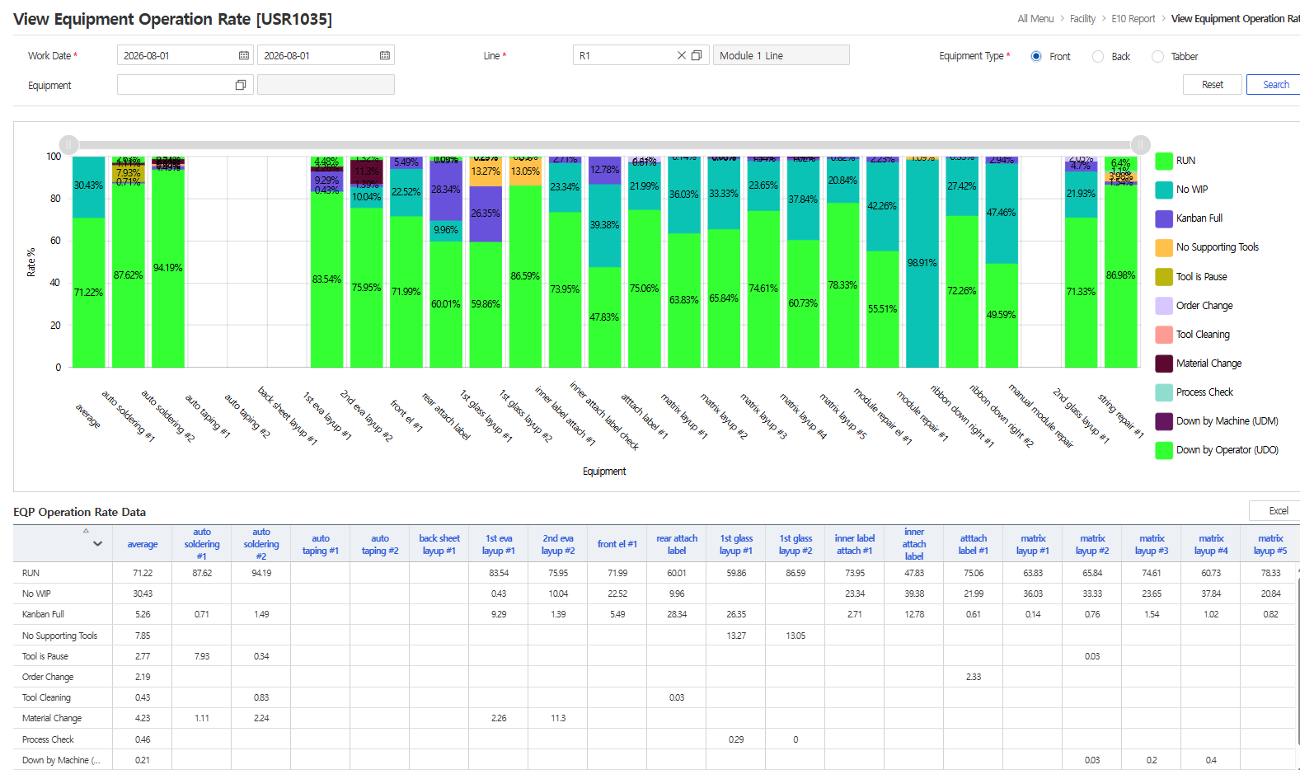
0 | average | auto soldering #1 | auto soldering #2 | auto taping #1 | auto taping #2 | back sheet layup #1 | 1st eva layup #1 | 2nd eva layup #2 | front el #1 | rear attach label | 1st glass layup #1 | 1st glass layup #2 | inner label attach #1 | inner attach label check | atttach label #1 | matrix layup #1 | matrix layup #2 | matrix layup #3 | matrix layup #4 | matrix layup #5 | module repair el #1 | module repair #1 | ribbon down right #1 | ribbon down right #2 | manual module repair | 2nd glass layup #1 | string repair #1
RUN | 71.22 | 87.62 | 94.19 | 0.00 | 0.00 | 0.00 | 83.54 | 75.95 | 71.99 | 60.01 | 59.86 | 86.59 | 73.95 | 47.83 | 75.06 | 63.83 | 65.84 | 74.61 | 60.73 | 78.33 | 55.51 | 0.00 | 72.26 | 49.59 | 0.00 | 71.33 | 86.98
No WIP | 30.43 | 0.00 | 0.00 | 0.00 | 0.00 | 0.00 | 0.43 | 10.04 | 22.52 | 9.96 | 0.00 | 0.00 | 23.34 | 39.38 | 21.99 | 36.03 | 33.33 | 23.65 | 37.84 | 20.84 | 42.26 | 98.91 | 27.42 | 47.46 | 0.00 | 21.93 | 0.00
Kanban Full | 5.26 | 0.71 | 1.49 | 0.00 | 0.00 | 0.00 | 9.29 | 1.39 | 5.49 | 28.34 | 26.35 | 0.00 | 2.71 | 12.78 | 0.61 | 0.14 | 0.76 | 1.54 | 1.02 | 0.82 | 2.23 | 0.00 | 0.33 | 2.94 | 0.00 | 4.70 | 1.54
No Supporting Tools | 7.85 | 0.00 | 0.00 | 0.00 | 0.00 | 0.00 | 0.00 | 0.00 | 0.00 | 0.00 | 13.27 | 13.05 | 0.00 | 0.00 | 0.00 | 0.00 | 0.00 | 0.00 | 0.00 | 0.00 | 0.00 | 1.09 | 0.00 | 0.00 | 0.00 | 0.00 | 3.98
Tool is Pause | 2.77 | 7.93 | 0.34 | 0.00 | 0.00 | 0.00 | 0.00 | 0.00 | 0.00 | 0.00 | 0.00 | 0.00 | 0.00 | 0.00 | 0.00 | 0.00 | 0.03 | 0.00 | 0.00 | 0.00 | 0.00 | 0.00 | 0.00 | 0.00 | 0.00 | 0.00 | 0.00
Order Change | 2.19 | 0.00 | 0.00 | 0.00 | 0.00 | 0.00 | 0.00 | 0.00 | 0.00 | 0.00 | 0.00 | 0.00 | 0.00 | 0.00 | 2.33 | 0.00 | 0.00 | 0.00 | 0.00 | 0.00 | 0.00 | 0.00 | 0.00 | 0.00 | 0.00 | 2.05 | 0.00
Tool Cleaning | 0.43 | 0.00 | 0.83 | 0.00 | 0.00 | 0.00 | 0.00 | 0.00 | 0.00 | 0.03 | 0.00 | 0.00 | 0.00 | 0.00 | 0.00 | 0.00 | 0.00 | 0.00 | 0.00 | 0.00 | 0.00 | 0.00 | 0.00 | 0.00 | 0.00 | 0.00 | 0.00
Material Change | 4.23 | 1.11 | 2.24 | 0.00 | 0.00 | 0.00 | 2.26 | 11.30 | 0.00 | 0.00 | 0.00 | 0.00 | 0.00 | 0.00 | 0.00 | 0.00 | 0.00 | 0.00 | 0.00 | 0.00 | 0.00 | 0.00 | 0.00 | 0.00 | 0.00 | 0.00 | 0.00
Process Check | 0.46 | 0.00 | 0.00 | 0.00 | 0.00 | 0.00 | 0.00 | 0.00 | 0.00 | 0.00 | 0.29 | 0.00 | 0.00 | 0.00 | 0.00 | 0.00 | 0.00 | 0.00 | 0.00 | 0.00 | 0.00 | 0.00 | 0.00 | 0.00 | 0.00 | 0.00 | 1.10
Down by Machine (UDM) | 0.21 | 0.00 | 0.00 | 0.00 | 0.00 | 0.00 | 0.00 | 0.00 | 0.00 | 0.00 | 0.00 | 0.00 | 0.00 | 0.00 | 0.00 | 0.00 | 0.03 | 0.20 | 0.40 | 0.00 | 0.00 | 0.00 | 0.00 | 0.00 | 0.00 | 0.00 | 0.00
Down by Operator (UDO) | 2.25 | 2.63 | 0.91 | 0.00 | 0.00 | 0.00 | 4.48 | 1.32 | 0.00 | 1.66 | 0.23 | 0.35 | 0.00 | 0.00 | 0.00 | 0.00 | 0.00 | 0.00 | 0.00 | 0.00 | 0.00 | 0.00 | 0.00 | 0.00 | 0.00 | 0.00 | 6.40
 |  | 100 | 100 | 0 | 0 | 0 | 100 | 100 | 100 | 100 | 100 | 100 | 100 | 100 | 100 | 100 | 100 | 100 | 100 | 100 | 100 | 100 | 100 | 100 | 0 | 100 | 100

3) Back End
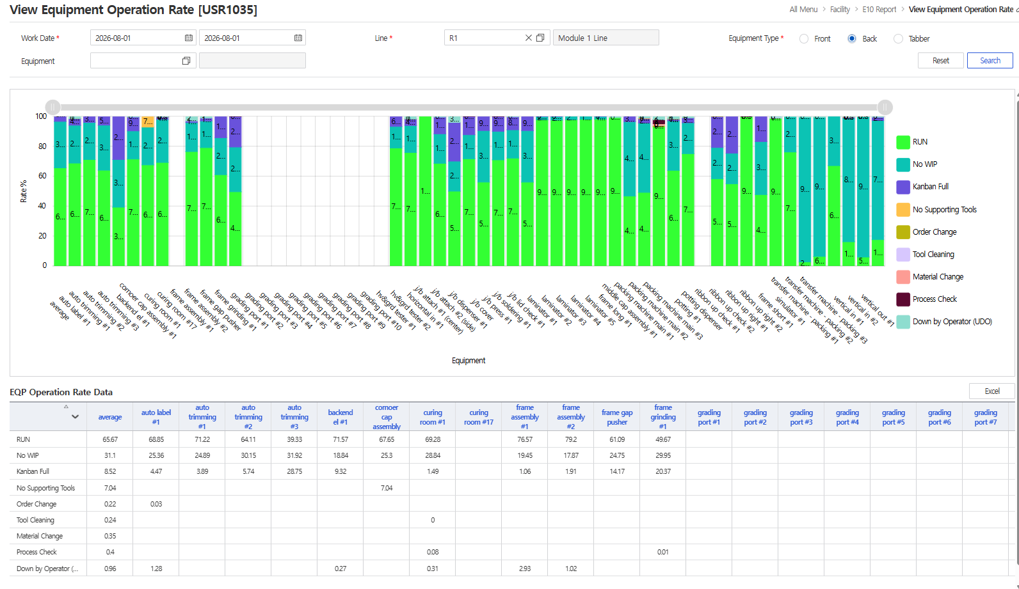
0 | average | auto label #1 | auto trimming #1 | auto trimming #2 | auto trimming #3 | backend el #1 | cornoer cap assembly #1 | curing room #1 | curing room #17 | frame assembly #1 | frame assembly #2 | frame gap pusher | frame grinding #1 | grading port #1 | grading port #2 | grading port #3 | grading port #4 | grading port #5 | grading port #6 | grading port #7 | grading port #8 | grading port #9 | grading port #10 | hv&grd tester #1 | hv&grd tester #2 | horizontal in #1 | j/b attach #1 (center) | j/b attach #2 (side) | j/b dispenser #1 | j/b cover | j/b press #1 | j/b soldering #1 | j/b lid check #1 | laminator #1 | laminator #2 | laminator #3 | laminator #4 | laminator #5 | frame long #1 | middle cap assembly #1 | packing machine main #1 | packing machine main #2 | packing machine main #3 | potting #1 | potting dispenser | ribbon up check #1 | ribbon up check #2 | ribbon up right #1 | ribbon up right #2 | frame short #1 | simulator #1 | transfer machine - packing #1 | transfer machine - packing #2 | transfer machine - packing #3 | vertical in #1 | vertical in #2 | vertical out #1
RUN | 65.67 | 68.85 | 71.22 | 64.11 | 39.33 | 71.57 | 67.65 | 69.28 | 0.00 | 76.57 | 79.20 | 61.09 | 49.67 | 0.00 | 0.00 | 0.00 | 0.00 | 0.00 | 0.00 | 0.00 | 0.00 | 0.00 | 0.00 | 78.97 | 75.93 | 100.00 | 68.71 | 50.05 | 71.73 | 56.12 | 71.02 | 72.19 | 56.11 | 97.86 | 97.67 | 97.94 | 98.19 | 98.35 | 99.33 | 46.76 | 49.23 | 93.19 | 63.99 | 75.17 | 0.00 | 58.31 | 55.00 | 99.98 | 47.77 | 98.93 | 76.27 | 2.69 | 6.37 | 67.15 | 16.19 | 5.95 | 17.62
No WIP | 31.10 | 25.36 | 24.89 | 30.15 | 31.92 | 18.84 | 25.30 | 28.84 | 0.00 | 19.45 | 17.87 | 24.75 | 29.95 | 0.00 | 0.00 | 0.00 | 0.00 | 0.00 | 0.00 | 0.00 | 0.00 | 0.00 | 0.00 | 14.43 | 18.09 | 0.00 | 19.75 | 20.13 | 16.12 | 34.52 | 19.12 | 18.94 | 34.52 | 2.08 | 2.24 | 2.06 | 1.81 | 1.61 | 0.00 | 49.85 | 46.46 | 0.00 | 33.17 | 20.68 | 0.00 | 21.00 | 20.49 | 0.00 | 35.50 | 0.00 | 23.55 | 96.89 | 93.21 | 32.85 | 82.93 | 93.99 | 79.73
Kanban Full | 8.52 | 4.47 | 3.89 | 5.74 | 28.75 | 9.32 | 0.00 | 1.49 | 0.00 | 1.06 | 1.91 | 14.17 | 20.37 | 0.00 | 0.00 | 0.00 | 0.00 | 0.00 | 0.00 | 0.00 | 0.00 | 0.00 | 0.00 | 6.59 | 4.30 | 0.00 | 11.25 | 25.91 | 12.13 | 9.36 | 9.83 | 8.68 | 9.37 | 0.06 | 0.09 | 0.00 | 0.00 | 0.04 | 0.00 | 3.38 | 2.79 | 0.00 | 1.22 | 3.31 | 0.00 | 20.68 | 24.52 | 0.00 | 16.74 | 0.00 | 0.00 | 0.00 | 0.00 | 0.00 | 0.38 | 0.00 | 2.29
No Supporting Tools | 7.04 | 0.00 | 0.00 | 0.00 | 0.00 | 0.00 | 7.04 | 0.00 | 0.00 | 0.00 | 0.00 | 0.00 | 0.00 | 0.00 | 0.00 | 0.00 | 0.00 | 0.00 | 0.00 | 0.00 | 0.00 | 0.00 | 0.00 | 0.00 | 0.00 | 0.00 | 0.00 | 0.00 | 0.00 | 0.00 | 0.00 | 0.00 | 0.00 | 0.00 | 0.00 | 0.00 | 0.00 | 0.00 | 0.00 | 0.00 | 0.00 | 0.00 | 0.00 | 0.00 | 0.00 | 0.00 | 0.00 | 0.00 | 0.00 | 0.00 | 0.00 | 0.00 | 0.00 | 0.00 | 0.00 | 0.00 | 0.00
Order Change | 0.22 | 0.03 | 0.00 | 0.00 | 0.00 | 0.00 | 0.00 | 0.00 | 0.00 | 0.00 | 0.00 | 0.00 | 0.00 | 0.00 | 0.00 | 0.00 | 0.00 | 0.00 | 0.00 | 0.00 | 0.00 | 0.00 | 0.00 | 0.00 | 0.00 | 0.00 | 0.00 | 0.00 | 0.00 | 0.00 | 0.00 | 0.00 | 0.00 | 0.00 | 0.00 | 0.00 | 0.00 | 0.00 | 0.00 | 0.00 | 0.24 | 0.92 | 0.12 | 0.00 | 0.00 | 0.02 | 0.00 | 0.00 | 0.00 | 0.00 | 0.00 | 0.00 | 0.00 | 0.00 | 0.00 | 0.00 | 0.00
Tool Cleaning | 0.24 | 0.00 | 0.00 | 0.00 | 0.00 | 0.00 | 0.00 | 0.00 | 0.00 | 0.00 | 0.00 | 0.00 | 0.00 | 0.00 | 0.00 | 0.00 | 0.00 | 0.00 | 0.00 | 0.00 | 0.00 | 0.00 | 0.00 | 0.00 | 0.00 | 0.00 | 0.00 | 0.00 | 0.00 | 0.00 | 0.00 | 0.00 | 0.00 | 0.00 | 0.00 | 0.00 | 0.00 | 0.00 | 0.00 | 0.00 | 0.00 | 0.23 | 0.00 | 0.00 | 0.00 | 0.00 | 0.00 | 0.02 | 0.00 | 0.69 | 0.00 | 0.00 | 0.00 | 0.00 | 0.00 | 0.00 | 0.00
Material Change | 0.35 | 0.00 | 0.00 | 0.00 | 0.00 | 0.00 | 0.00 | 0.00 | 0.00 | 0.00 | 0.00 | 0.00 | 0.00 | 0.00 | 0.00 | 0.00 | 0.00 | 0.00 | 0.00 | 0.00 | 0.00 | 0.00 | 0.00 | 0.00 | 0.00 | 0.00 | 0.00 | 0.00 | 0.00 | 0.00 | 0.00 | 0.00 | 0.00 | 0.00 | 0.00 | 0.00 | 0.00 | 0.00 | 0.00 | 0.00 | 0.26 | 0.89 | 0.00 | 0.00 | 0.00 | 0.00 | 0.00 | 0.00 | 0.00 | 0.00 | 0.00 | 0.00 | 0.00 | 0.00 | 0.24 | 0.00 | 0.00
Process Check | 0.40 | 0.00 | 0.00 | 0.00 | 0.00 | 0.00 | 0.00 | 0.08 | 0.00 | 0.00 | 0.00 | 0.00 | 0.01 | 0.00 | 0.00 | 0.00 | 0.00 | 0.00 | 0.00 | 0.00 | 0.00 | 0.00 | 0.00 | 0.00 | 0.03 | 0.00 | 0.00 | 0.00 | 0.01 | 0.00 | 0.02 | 0.00 | 0.00 | 0.00 | 0.00 | 0.00 | 0.00 | 0.00 | 0.00 | 0.00 | 0.00 | 2.67 | 0.00 | 0.00 | 0.00 | 0.00 | 0.00 | 0.00 | 0.00 | 0.00 | 0.00 | 0.00 | 0.00 | 0.00 | 0.00 | 0.00 | 0.00
Down by Operator (UDO) | 0.96 | 1.28 | 0.00 | 0.00 | 0.00 | 0.27 | 0.00 | 0.31 | 0.00 | 2.93 | 1.02 | 0.00 | 0.00 | 0.00 | 0.00 | 0.00 | 0.00 | 0.00 | 0.00 | 0.00 | 0.00 | 0.00 | 0.00 | 0.00 | 1.65 | 0.00 | 0.28 | 3.91 | 0.00 | 0.00 | 0.00 | 0.19 | 0.00 | 0.00 | 0.00 | 0.00 | 0.00 | 0.00 | 0.67 | 0.00 | 1.02 | 2.09 | 1.51 | 0.84 | 0.00 | 0.00 | 0.00 | 0.00 | 0.00 | 0.38 | 0.19 | 0.42 | 0.42 | 0.00 | 0.26 | 0.06 | 0.36
 |  | 100 | 100 | 100 | 100 | 100 | 100 | 100 | 0 | 100 | 100 | 100 | 100 | 0 | 0 | 0 | 0 | 0 | 0 | 0 | 0 | 0 | 0 | 100 | 100 | 100 | 100 | 100 | 100 | 100 | 100 | 100 | 100 | 100 | 100 | 100 | 100 | 100 | 100 | 100 | 100 | 100 | 100 | 100 | 0 | 100 | 100 | 100 | 100 | 100 | 100 | 100 | 100 | 100 | 100 | 100 | 100

